Sheet1
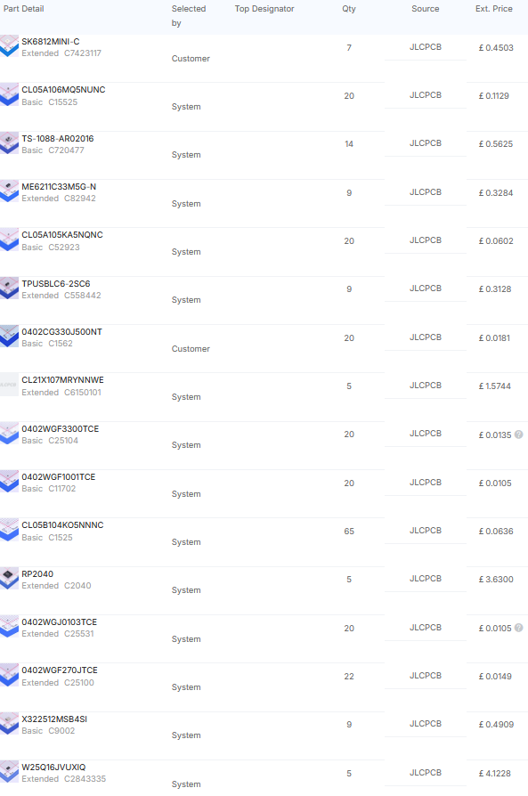
Bill Of Materials
Product | Price | Price including shipping | Retailer
PCB | £1.50 | £1.50 | JLCPCB
PCB Assembly | £56.79 | £56.79 | JLCPCB

JLC PCB BOM

